Q-1
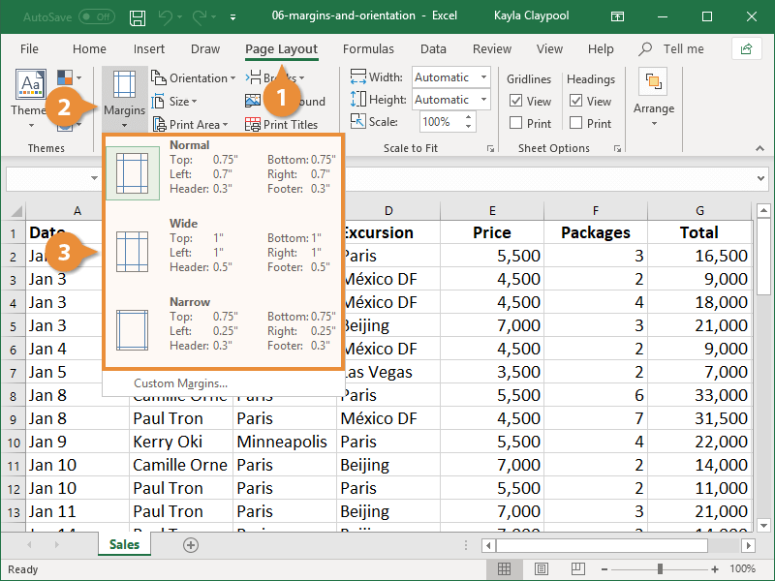
Q-1 What are the different margins options and do we adjust the margins of the excel worksheet?
◊ To use predefined margins are Normal, Wide, or Narrow.

◊ By default, the margins are 0.75 inches at the top and bottom, and 0.70 inches to the left and right.

1- Click the Page Layout tab.

2- Click the Margins button.

3- Select the margin size you want to use from the list.

Q-2
Q-2 Set a background for your table created.

1- Click inside the table.

2- Click the Design tab in the Table Tools ribbon group.

3- Click the Table Styles More button to see all the available styles.

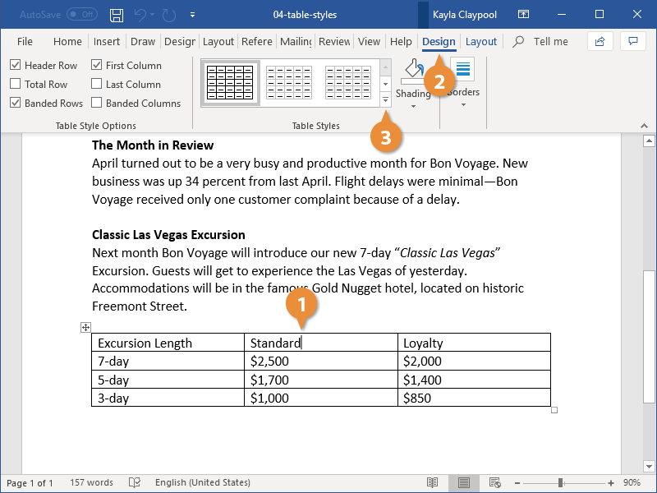

4- Select a style.

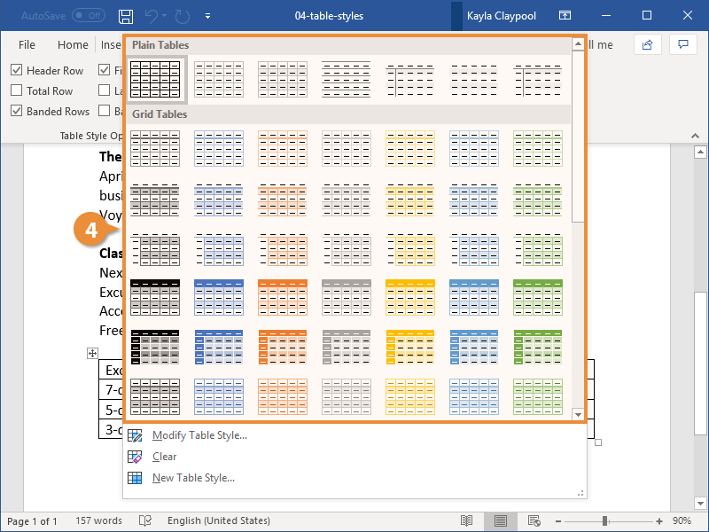

The style is applied to the table, changing the borders, shading, and colors.

Q-3
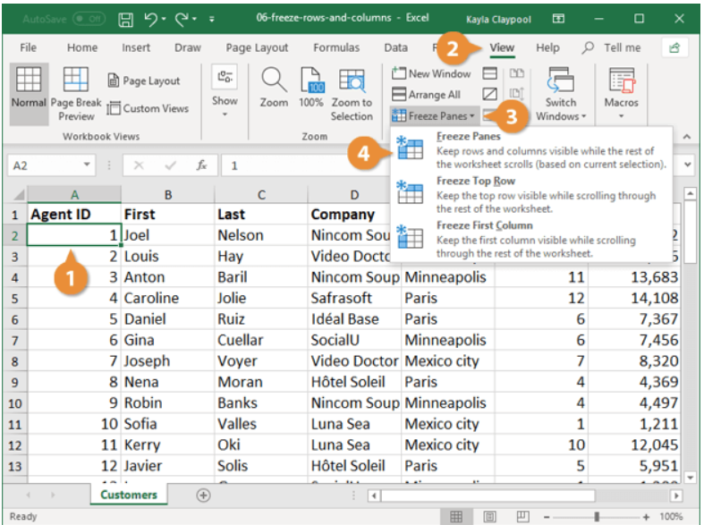
Q-3 What is freeze panes and why do we use freeze panes? Give examples.
◊ The Excel Freeze Panes tool allows us to freeze the column/row or multiple columns/rows headings so that when we scroll down or move to the right to view the rest of the sheet,
the rows/columns are that are frozen remain on the screen

◊To keep an area of a worksheet visible while you scroll to another area of the worksheet, go to the View tab, where you can Freeze Panes to lock specific rows and columns in place,or you can
Split panes to create separate windows of the same worksheet.

Q-4
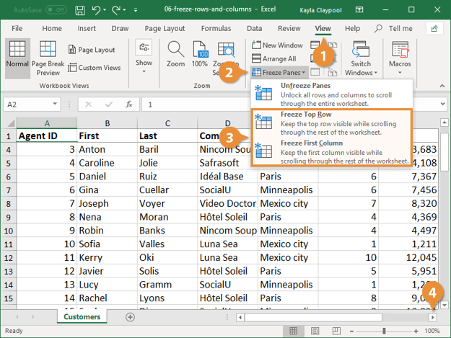
Q-4 What are the different features available within the Freeze Panes command?
◊ Freeze Pane shows three options in the drop-down:
□ Freeze Panes: It freezes the rows as well as the columns.
□Freeze Top Row: It freezes all the rows above the active cell.
1- Select a cell next to the row and/or column you want to freeze.
2- Click the View tab.
3- Click the Freeze Panes button.
4- Select Freeze Panes.
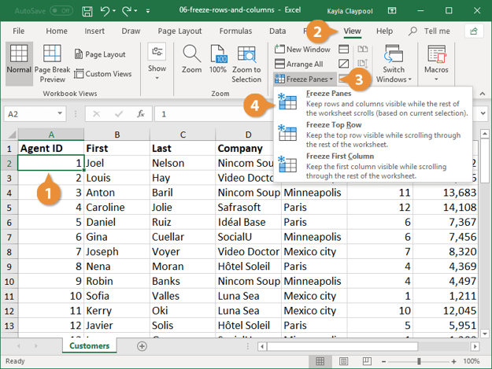

□ Freeze First Column: It freezes all the columns to the left of the active cell.
1- Click the View tab.
2- Ciick the Freeze Panes button.
3- Select Freeze Top Row or Freeze First Column.
• Freeze Top Row Keeps the top row visible while scrolling through the worksheet.
• Freeze First Column Keeps the first column visible while scrolling through the worksheet.
4- Scroll in the worksheet to verify the freeze is applied.

